DETAILS
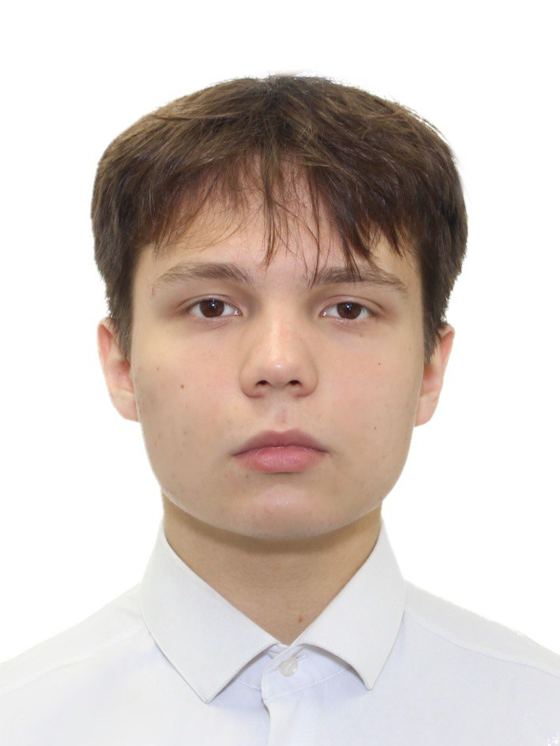

*Insert a Photo with a white Background)

Personal Information
Rank: | DECK CADET |  |  |  | Blood Group: |  | III+
Surname: | UDALOV |  |  |  | Height: |  | 173
Name: | GLEB |  |  |  | Weight: |  | 63
Nationality: | RUSSIAN |  |  |  | Eye Color: |  | BROWN
Birth Place: | MURMANSK,RUSSIA |  |  |  | Hair Color: |  | BROWN
Birth Date: | 2006-03-30 |  |  |  | Boilersuit Size:
Marital Status: |  |  |  |  | Safety Shoes Size: |  | 41

Address & Contact Details
Current Address: | BOLSHOY SMOLENSKI 36,SAINT-P,RUSSIA |  |  |  | Phone Number 1: |  | 89969347881
Postal Code: | 192029 |  |  |  | Phone Number 2:
Nearest Airport: | PULKOVO |  |  |  | Email Address: |  | Sobachka5567@gmail.com

Next of Kin Details (Person Older Than 18 Yrs - To Contact in Case of Emergency)
Relationship: | MOTHER |  |  |  | Address: |  | RUSSIA
Surname: | UDALOVA |  |  |  | Phone Number: |  | 89992748897
Name: | ANNA |  |  |  | Home Phone:
Nationality: | RUSSIAN |  |  |  | Email Address:

Travel Documents
Document Name: | Document Number: |  |  | Place of Issue: |  | Date of Issue: (dd/mm/yyyy) |  | Date of Expiry: (dd/mm/yyyy)
Seamans Book: | 0385651 |  |  | BOLSHOY PORT OF ST.-PETERSBURG |  | 2024-06-05
Travel Passport: | 77 3225924 |  |  | RUSSIA MVD 78038 |  | 2024-04-20 |  | 2034-04-20
Police Clearance:
MLC Health Certificate:
Drug & Alcohol Test:
Yellow Fever Vaccination:
Covid-19 Vaccination:
Polio Vaccination:

Certificates of Competency (Licenses)
Document: | STCW Code | Rank | Document Number |  | Place of Issue |  | Date of Issue |  | Date of Expiry
National License:
National GMDSS:

Valid Flag Endorsement of Licenses and Seaman Book
 |  | Document Number |  | License |  | GMDSS |  | Seaman Book
Saint Vincent and the Grenadines
Luxembourg
French (RIF)
Panama
Vanuatu
Malaysia
Others (Please Specify)

Certificates
Document Name |  | Document Number |  | Place of Issue |  | Date of Issue |  | Date of Expiry
DP Unlimited License:
DP Advanced:
DP Basic:
DP Maintenance: Brand:
HLO Course:
Basic Safety Training (A-VI/1-1, 1-2, 1-3, 1-4) |  | 06860/23 |  | at the MAKAROV TRAINING CENTRE 5/7,Dvinskaya ulitsa,Saint-Petersburg,198035,Russia |  | 15 December 2023 |  | 15 december 2028
Survival Crafts (A-VI/2-1)
Fast Rescue Boats (A-VI/2-2)
Advanced Fire-Fighting (A-VI/3)
Medical First Aid (A-VI/4-1)
Medical Care (A-VI/4-2)
Ship's Security Officer (A-VI/5)
Ship's Security Awareness (A-VI/6-1)
Designated Security Duties (A-VI/6-2) |  | ISPS-D-05331/23 |  | at the MAKAROV TRAINING CENTRE 5/7,Dvinskaya ulitsa,Saint-Petersburg,198035,Russia |  | 14 November2023 |  | 14 November 2028
A.R.P.A (A-II/1; A-II/2)
RADAR (A-II/1; A-II/2)
ECDIS IMO Model Course 1.27 (A-II/1; A-II/2; A-II/3)
HUET/ BOSIET (OPITO Approved)
BTM (A-II/2; B-VIII/2)
ERTM (A-III/2; B-VIII/2)
English Marlins Test/ Percentage %
Other Courses (Please Specify)

Please provide details of two recent employers who we may contact for references
Name of Company:
Name of Crewing Agency:
Name and Position of Person to Contact:
Address:
Telephone / E-mail:

