Page 1
 |  |  |  |  |  |  |  |  |  |  |  | 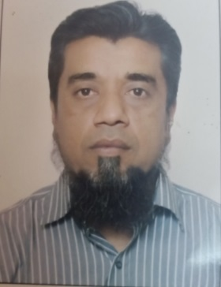 Affix a recent passport sized photo
 |  |  | Employment Application Form

For office use only
Employment Code |  |  |  | Rank approved

Rank applied for |  | MASTER |  |  |  | Date ready to join |  | 1-Aug-24

Surname |  | Middle Name |  | Name |  |  | Date of Birth |  | Religion |  |  | Nationality
ANSARI |  | AHMED |  | IMRAN |  |  | 1-May-73 |  | ISLAM |  |  | PAKISTANI

National ID Card |  | 42101-05174857 |  |  | Issue | 15=08=21 |  | Expiry | 15-08-31
Passport |  | AQ1714054 |  |  | Issue | 2020-11-11 |  | Expiry | 2030-11-11 |  | Issued at |  | KARACHI
National Seamen Book |  |  | 009624-DO |  | Issue | 2020-08-09 |  | Expiry | 2030-08-09 |  | Nearest Airport (International)
Other Seamen Book |  |  |  |  | Issue |  |  | Expiry |  |  | JINAHA INTERNATIONAL
Other Seamen Book |  |  |  |  | Issue |  |  | Expiry

Valid Visa's
US Visa C1/D |  |  |  |  | Issued |  |  | Expiry
MCV AUSA VISA
SCHENEGEN VISA
Any other visa |  |  |  |  | Issued |  |  | Expiry

Contact Details
Present Address R -924 BLOCK 14 FEDERAL B AREA |  |  |  |  |  |  |  | Permanent Address
KARACHI |  |  |  |  |  |  |  | SAME AS ABOVE

 |  |  |  | Postal Code |  |  |  |  |  |  |  | Postal Code
Tel |  |  |  | Mobile | 3350208342 |  |  | Tel |  |  |  | Mobile
Email | imrankapt@hotmail.com |  |  |  |  |  |  | Email
Skype Id:

Family details |  |  |  |  |  |  |  | Marital Status |  |  | : | MARRIED
Relationship |  | Surname |  | Name |  | DOB |  | Passport |  | Issue |  | Epxiry |  | Place of Issue
WIFGE |  | IMRAN |  | AFSHAN |  | 1982-08-08
DAUGHTER |  | IMRAN |  | NARMEEN |  | 2005-02-09
SON |  | ANSARI |  | MUHAMMED WASI |  | 2010-04-08
DAUGHTER |  | ANSARI |  | AYESHA |  | 14-07-16

Next of Kin |  | AFSHAN IMRAN |  |  |  |  |  | Relationship |  | WIFE
Address
 |  | Tel : | 3362104006 |  |  |  |  | Email :

WPIF7.5/01 |  |  |  |  |  | 01.10.2018 |  |  |  |  |  |  |  | REV 00

