Page 1
EMPLOYMENT APPLICATION FORM |  |  |  |  |  |  | 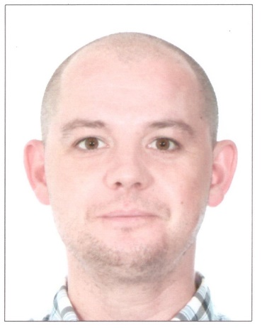 RECENT PASSPORT SIZE COLOUR PHOTOGRAPH

STAFF CODE: | Office use only |  | RANK: | CAPTAIN

DATE AVAILABLE: | 2025-01-15 |  | VESSEL:
 |  |  |  | Office use only

SURNAME: | VASILEV |  | FIRST NAME: | NIKOLAI | OTHER NAME:
DATE OF BIRTH: | 1986-05-21 |  | PLACE OF BIRTH: RUSSIA |  | NATIONALITY: |  |  | RUSSIAN

PASSPORT NO. | 773,484,334 |  | ISSUED ON: | 2024-05-20 | EXPIRY DATE: |  |  | 2034-05-20
S/BOOK NO. | MK 0404874 |  | ISSUED ON: | 2024-06-18 | EXPIRY DATE: |  |  | UNLIMITED
SID NO: RUS0537835 |  |  | ISSUED ON: | 2022-03-09 | EXPIRY DATE: |  |  | 2027-03-09

PERMANENT ADDRESS: | 19-2-63, LENSKAYA STR, SAINT PETERSBURG, RUSSIA, 195298

PHONES: | 79045503322 |  | FAX: |  | E-MAIL: |  |  | vasilevnikolas@gmail.com

NEXT OF KIN: | MOTHER | Relationship | NAME: | VALENTINA ZAGVOZKINA
ADDRESS: | Same above

PHONES: | 79312088553 |  | FAX: |  | E-MAIL:

NEAREST AIRPORT: | Moscow |  |  |  | For officers - Please specify the nearest domestic airport. For all ratings - the nearest international airport.

MARITAL STATUS: | married |  | SPOUSE NAME: |  | Ekaterina Vasileva
MARRIAGE DATE: | 2024-06-14
CHILDREN
SON / DAUGHTER | NAME |  |  |  |  | DATE OF BIRTH
Son | Matvey Zhilkin |  |  |  |  | 2017-06-28

PRE-SEA TRAINING / MARITIME SCHOOL / HIGHEST ACADEMIC QUALIFICATION (Specify School Name / Country, and Year attended)
Course Name Institude Name From Date - To Date
MARINE NAVIGATOR |  |  | Admiral Makarov State University of Maritime and Inland Shipping |  |  |  | 2010 - 2015

PAGE 1 OF 7 OFC06-05/21

