Blue Fin Application Form
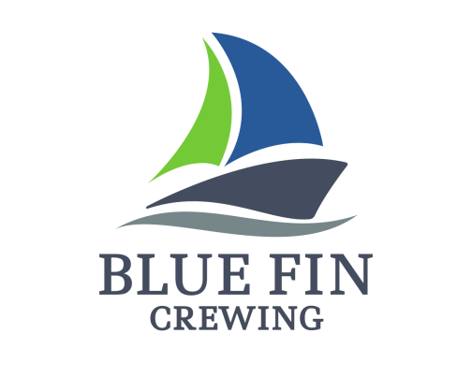
 |  |  |  |  |  |  | Photo

 |  | SEAFARER APPLICATION FORM

Name: |  | GIORGI |  |  | Nationality / ID No (TC Kimlik) |  | Georgia
Surname: |  | DUMBADZE |  |  | Date of Birth: |  | 1994.02.07
Rank Applied For: |  | 3rd. Officer |  |  | Qualification: |  | OOW
Type of Ship Applied For: |  | Oil Tanker |  |  | Readiness Date: |  | 2025-02-26
English Level (Poor/Average/Good): |  | Good |  |  | Education / Name - Year |  | High School
Phone Number 1: |  | (+995 577 417 900) |  |  | Phone Number 2: |  | (+380979248846)
Email Address: |  | giorgidumbadze47@gmail.com
Residance Address: |  | batumi,gogoli 7
Marital Status: |  | Single |  |  | Number of Children:
Height (cm): |  | 182 |  |  | Weight (kg): |  | 115
Safety Shoes: |  | 43 | Overall Size: | 3XL | Shirt: | 2XL | Trousers: | 2XL
Next of Kin: (Name, Relationship, Phone Number)
Documents |  | Country |  | No | Issue Date |  | Expire Date
Seamans Book |  | GEORGIA |  |  | 16.08.2021 |  | 05.08.2026
Passport |  | GEORGIA |  |  | 04.08.2016 |  | 04.08.2026
Medical Examination |  | GEORGIA |  |  | 12.10.2022 |  | 12.10.2024
Yellow Fever Vac. |  | GEORGIA |  |  | 25.07.2017 |  | FOREVER
Usa Visa |  | GEORGIA |  |  | 08.01.2020 |  | 05.01.2030
Schengen Visa |  | GEORGIA
Other Visas

SEA EXPERIENCE
Vsl Type | Vsl Name | Company | Rank | DWT | Engine Type | Sign On | Sign Off | Reason
Oil Tanker | LUCIA A | Lucia Shipping Corp | 3rd. Officer | 159997 |  | 12.12.23 | 29.07.24
Oil Tanker | LUCIA A | Lucia Shipping Corp | 3rd. Officer | 159997 |  | 2023-01-26 | 2023-06-29
Oil Tanker | OCEAN AVRA | OCEAN GOLD | 3rd. Officer | 108769 |  | 05.11.21 | 20.06.22
Chemical Tanker | OCEAN MARVEL | OCEAN GOLD | Deck Cadet | 49995 |  | 24.02.2019 | 15.07.2019
Chemical Tanker | OCEAN VENTURE | OCEAN GOLD | Deck Cadet | 49995 |  | 23.01.2020 | 11.08.2020
Oil Tanker | ALPINE AQUALINA | OCEAN GOLD | Able Seaman | 105304 |  | 16.10.20 | 02.04.2021

NATIONAL DOCUMENTS
DOC |  |  |  |  |  |  | ISSUE DATE | EXPIRY DATE
Certificate of Competence
Personal Survival Techniques |  |  |  |  |  |  | 28.07.21 | 27.06.26
Fire Prevention And Fire Fighting |  |  |  |  |  |  | 28.07.21 | 27.06.26
Elementary First Aid |  |  |  |  |  |  | 28.07.21 | 27.06.26
Personal Safety And Social Responsibilities |  |  |  |  |  |  | 28.07.21 | 27.06.26
Advanced Fire Fighting |  |  |  |  |  |  | 28.07.21 | 14.05.26
Proficiency In Survival Craft And Rescue Boats |  |  |  |  |  |  | 28.07.21 | 10.05.26
Proficiency In Fast Rescue Boats
Medical First Aid |  |  |  |  |  |  | 28.07.21 | 18.05.26
Medical Care
Security Awareness Training
Training for Seafarers Designated Security Duties |  |  |  |  |  |  | 30.09.20 | 29.09.25
Ship Security Officer |  |  |  |  |  |  | 28.07.21 | 28.04.26
Engine Resource Management
Bridge Resource Management |  |  |  |  |  |  | 28.07.21 | 24.07.26
Use of Leadership and Managerial Skills
Leadership and Teamwork |  |  |  |  |  |  | 28.07.21 | 26.06.26
Use Of Electronic Chart Display And Information Systems (ECDIS) |  |  |  |  |  |  | 28.07.21 | 02.06.26
RADAR Navigation, Radar Plotting and Use of ARPA |  |  |  |  |  |  | 28.07.21 | 14.07.26
RADAR Navigation at Management Level (Radar, ARPA, Bridge Teamwork and Search and Rescue)
Basic Training For Oil and Chemical Tanker
Advanced Training For Oil Tanker Cargo Operations |  |  |  |  |  |  | 28.07.21 | 28.05.26
Advanced Training For Chemical Tanker Cargo Operations |  |  |  |  |  |  | 28.07.21 | 28.05.26
Basic Training for Liquefied Gas Tanker Cargo Operations
Advanced Training for Liquefied Gas Tanker Cargo Operations
Use of Inert Gas System |  |  |  |  |  |  | 28.07.21 | 07.06.26
Use of Crude Oil Washing |  |  |  |  |  |  | 28.07.21 | 07.06.26
Cargo and Ballast Operations
Cargo Handling on Ships Carrying Dangerous And Hazardous Substances In Solid and Packaged Form (HAZMAT)
Chemical tanker Cargo Ballast Handling Simulator
Ship’s handling and Maneuvering
High Voltage
Basic Training for ships Operating in Polar Waters
Advanced Training for ships Operating in Polar Waters
Other Documents (If Necessary)
Security-Related Familiarization Certificate

Notes:

Version: 6.0.0

