Page 1
EMPLOYMENT APPLICATION FORM |  |  |  |  |  |  | 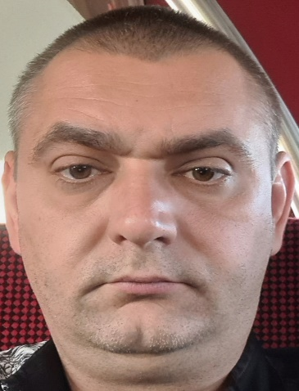 RECENT PASSPORT SIZE COLOUR PHOTOGRAPH

STAFF CODE: | Office use only |  | RANK: | Master

DATE AVAILABLE: | 2024-12-01 |  | VESSEL:
 |  |  |  | Office use only

SURNAME: | Albul |  | FIRST NAME: | Oleksii | OTHER NAME:
DATE OF BIRTH: | 1985-03-25 |  | PLACE OF BIRTH: | Odessa, Ukraine | NATIONALITY: |  |  | Ukrainian

PASSPORT NO. | FN 699213 |  | ISSUED ON: | 2018-05-05 | EXPIRY DATE: |  |  | 2028-05-05
S/BOOK NO. | AB 658225 |  | ISSUED ON: | 2019-07-19 | EXPIRY DATE: |  |  | 2029-07-19
SID NO: (Seafarer's Identity Document) |  |  | ISSUED ON: |  | EXPIRY DATE:

PERMANENT ADDRESS: | Constanta, Romania

PHONES: | 40724822048 |  | FAX: |  | E-MAIL: |  | alex.seamen.oa@gmail.com

NEXT OF KIN: | Ex-wife | Relationship | NAME: | Albul Iryna
ADDRESS: | 5B Ak. Glushko, Ap.121. Odessa, Ukraine

PHONES: | 380938451833 |  | FAX: |  | E-MAIL:

NEAREST AIRPORT: | Constanta, Romania |  |  |  | For officers - Please specify the nearest domestic airport. For all ratings - the nearest international airport.

MARITAL STATUS: | Divorced |  | SPOUSE NAME:
MARRIAGE DATE:
CHILDREN
SON / DAUGHTER | NAME |  |  |  |  | DATE OF BIRTH
SON | Albul Ruslan |  |  |  |  | 2016-10-26

PRE-SEA TRAINING / MARITIME SCHOOL / HIGHEST ACADEMIC QUALIFICATION (Specify School Name / Country, and Year attended)
Highest Academic Qualification |  |  | Institute Name |  |  |  | From Date - To Date
Navigator |  |  | ONMA |  |  |  | 2010-2015

PAGE 1 OF 6 OFC06-08/24

