Sheet1
 | SEAGONING PERSONNEL APPLICATION FORM

Date of Application |  |  |  |  |  | Rank Applied |  |  |  |  |  |  |  | Date of Availability

2025-08-21 |  |  |  |  |  | MASTER |  |  |  |  |  |  |  | 2025-08-25

1. Personal Details

 |  |  |  |  |  |  |  |  |  |  |  |  |  | 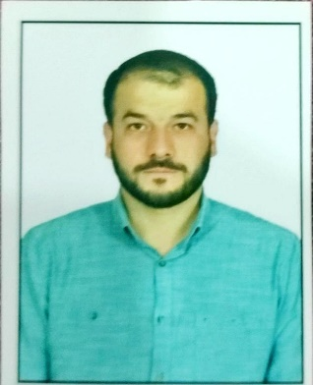 Photo

First, Middle Name |  |  |  |  |  |  | Family Name

ABDULLAH |  |  |  |  |  |  | ÖZANLAYAN

Date of Birth |  |  |  | Place of Birth |  |  |  |  |  |  | Nationality

1987-08-23 |  |  |  | KARAMAN |  |  |  |  |  |  | TURKISH

Republic of Turkey ID No |  |  |  |  | Marital Status |  |  |  |  | Military Service Status

34202342774 |  |  |  |  | MARRIED |  |  |  |  | DONE

Telephone Number (Home) |  |  |  |  |  | Telephone Number (Mobile) |  |  |  |  |  |  | Email

+905351076077 |  |  |  |  |  | +905351076077 |  |  |  |  |  |  | a.ozanlayan@hotmail.com

Permanent Address |  |  |  |  |  |  |  |  | Present Address

SİYAHSER MAHALLESİ 896. SOKAK NO: 3/3 KARAMAN / MERKEZ |  |  |  |  |  |  |  |  | SİYAHSER MAHALLESİ 896. SOKAK NO: 3/3 KARAMAN / MERKEZ

Height |  |  | Weight |  |  |  | Blood Type |  |  |  |  | Clothing Size |  | Shoe Size

1,72 |  |  | 83 |  |  |  | A RH+ |  |  |  |  | LARGE |  | 43

Native Language |  |  |  |  |  | English Proeficiency |  |  |  |  |  |  | Other Language (If any)

TURKISH |  |  |  |  |  | GOOD |  |  |  |  |  |  | -

2. Next of Kin / Family Particulars

First, Middle Name |  |  |  |  |  | Family Name |  |  |  |  |  |  | Relation

ZAHİDE |  |  |  |  |  | ÖZANLAYAN |  |  |  |  |  |  | WIFE

Address |  |  |  |  |  |  |  |  |  |  |  |  | Telephone Number

SİYAHSER MAHALLESİ 896. SOKAK NO: 3/3 KARAMAN / MERKEZ |  |  |  |  |  |  |  |  |  |  |  |  | +905464051759

 |  | Name |  |  |  |  |  | Date of Birth |  |  |  |  | Passport No |  | Expiry Date

Wife |  | ZAHİDE |  |  |  |  |  | 1994-12-03 |  |  |  |  | - |  | -

Child (M / F) |  | ELİF ZÜMRA |  |  |  |  |  | 2019-02-13 |  |  |  |  | - |  | -

Child (M / F) |  | HAFSA SENA |  |  |  |  |  | 2023-03-03 |  |  |  |  | - |  | -

Child (M / F)

Child (M / F)

