Page 1
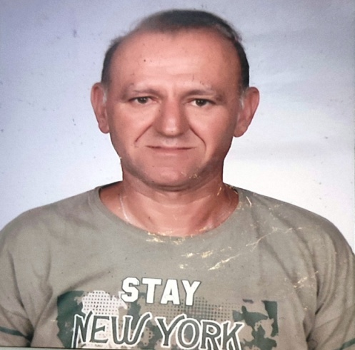
EMPLOYMENT APPLICATION FORM |  |  |  |  |  |  | RECENT PASSPORT SIZE COLOUR PHOTOGRAPH

STAFF CODE: | Office use only |  | RANK: | FITTER

DATE AVAILABLE: | IMMEDIATELY |  | VESSEL:
 |  |  |  | Office use only

SURNAME: | AKAY |  | FIRST NAME: | SELÇUK | OTHER NAME:
DATE OF BIRTH: | [date-of-birth] |  | PLACE OF BIRTH: | AKHİSAR | NATIONALITY: |  |  | TURKEY

PASSPORT NO. | U331698596 |  | ISSUED ON: | 2024-02-20 | EXPIRY DATE: |  |  | 2034-02-20
S/BOOK NO. | S00311263 |  | ISSUED ON: | 2020-12-01 | EXPIRY DATE: |  |  | 2025-12-01
SID NO: (Seafarer's Identity Document) | 6969015651 |  | ISSUED ON: | 2020-12-01 | EXPIRY DATE: |  |  | 2025-12-01

PERMANENT ADDRESS: | HURRIYET MAH.159/7-2 AKHISAR/MANISA-TURKEY

PHONES: | [phone] |  | FAX: |  | E-MAIL: |  |  | [email]

NEXT OF KIN: [next-of-kin]
ADDRESS: | HURRIYET MAH. 159/7-2 AKHISAR/MANISA

PHONES: | [phone] |  | FAX: |  | E-MAIL:

NEAREST AIRPORT: | IZMIR,ISTANBUL |  |  |  | For officers - Please specify the nearest domestic airport. For all ratings - the nearest international airport.

MARITAL STATUS: | MARRIED |  | SPOUSE NAME: | HANIFE AKAY
MARRIAGE DATE: | 2005-07-03
CHILDREN | 1
SON / DAUGHTER | NAME |  |  |  |  | DATE OF BIRTH
SON | BERKSU AKAY |  |  | 1 |  | 2007-11-13

PRE-SEA TRAINING / MARITIME SCHOOL / HIGHEST ACADEMIC QUALIFICATION (Specify School Name / Country, and Year attended)
Course Name Institude Name From Date - To Date
AKHISAR TECHNICAL AND INDUSTRIAL VOCATIONAL HIGH SCHOLL |  |  | METAL WORKS DEPARTMENT |  |  |  |  | 1989-1992

PAGE 1 OF 7 OFC06-10/21

